TOC
St. Louis Metropolitan Statistical Area (MSA) Agribusiness Economic Analysis
Prepared for the St. Louis Agribusiness Club |  | Jul-2025
by the University of Missouri Extension | Exceed

Table of Content | Description
Agribusiness Summary | Summary Figures for St. Louis Agribusiness
Detailed Direct Industry Data | Detailed Direct Agribusiness Industry Statistics
Detailed Economic Contribution | Detailed Agribusiness Economic Contribution Statistics
Detailed Ag Census Data | 2022 Agriculture Census Data for St. Louis Metropolitan Area
Detailed County Census Data | Additional County-Level Agricultural Census Details

Geography Notes
The St. Louis MSA is comprised of the following areas:
Missouri | Illinois
Franklin county | Bond county
Jefferson county | Calhoun county
Lincoln county | Clinton county
St. Charles county | Jersey county
St. Louis County/City | Macoupin county
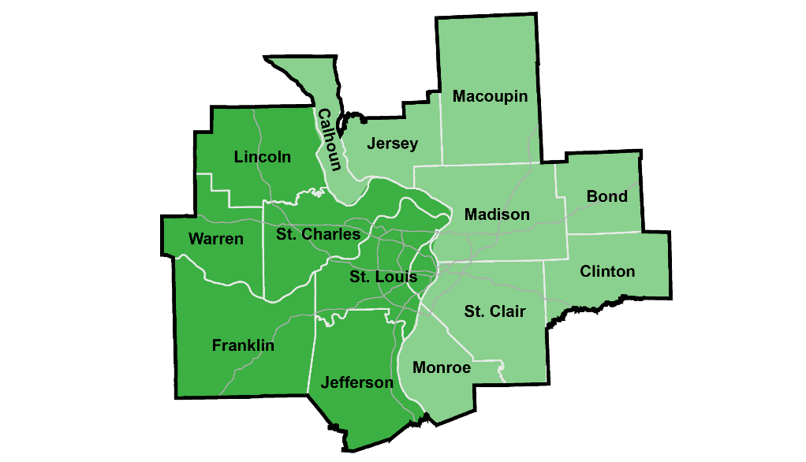
Warren county | Madison county
 | Monroe county
 | St. Clair county

Summary
Table of Contents
St. Louis MSA Agribusiness Economic Contribution Summary
Details
Agribusiness in the St. Louis Metro Supports: |  |  | St. Louis MSA Agribusinesses
176,000 Jobs (9.3 % of the workforce) |  |  | Agribusiness firms engaged in agricultural production, related manufacturing, or inputs/services
$25.7 Billion in Gross Domestic Product (10.8% of GDP) |  |  |  | Employment | Labor Income | GDP
Notes: St. Louis MSA total employment of 1.88 million and $238 billion GDP in $2025 dollars from IMPLAN. Total employment follows U.S. BEA definition to include payroll, self-employed, and multi-job holders. |  |  | Total Direct Agribusiness | 93,207 | $7.90 B | $15.23 B
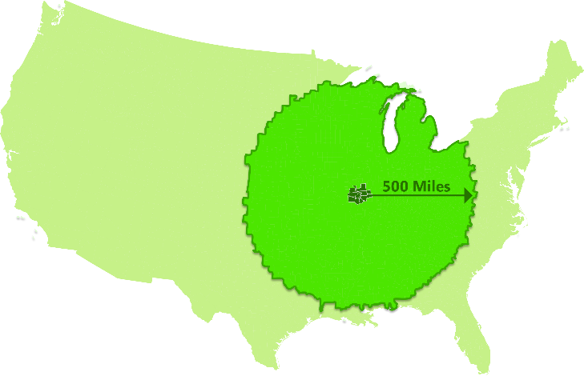
 |  |  | Production Agriculture | 15,807 | $0.71 B | $1.41 B
 |  |  | Crop/Animal Farming, Ag/Forestry Support Activities
Within 500 Miles of St. Louis Metro: |  |  | Food and Beverage Manufacturing | 15,801 | $1.81 B | $3.85 B
46% of U.S. Agricultural Production* ($250 billion) |  |  | Bakeries, Beverage, Animal Food, Other Food Mfg.
47% of U.S. Agricultural Producers (1.59 million) |  |  | Fiber and Forest Product Manufacturing | 6,027 | $0.56 B | $0.82 B
48% of U.S. Farms (910,371) |  |  | Paper/Wood Product Mfg., Textiles/Apparel Mfg.
78% of U.S. Corn Production (10.8 billion bushels) |  |  | Agricultural-Related Input and Services | 55,572 | $4.83 B | $9.16 B
81% of U.S. Soybean Production (3.3 billion bushels) |  |  | Landscape Services, Grocery/Related Wholesale, Freight Transp., Chemical Mfg., Science R & D, Vet Services, etc.
Direct Agribusiness Firms
Suppprt Additional Jobs, Income, and Sales
in the St. Louis MSA Economy
38% of U.S. Cattle Inventory (33.3 million head)
72% of U.S. Hog Inventory (53.1 million head)
49% of U.S. Poultry Sales ($37.8 billion)
30% of U.S. Milk Sales ($15.9 billion)
*Market value of all agricultural products.
Agribusiness Specialization by Employment: |  |  | Supported Supply-Chain and Household Spending Industries
Animal Food Manufacturing |  | 3.4X more specialized than U.S. avg. | Additional supply-chain or consumer businesses benefit from Agribusiness/supply-chain worker spending
Agric. Chemical Manufacturing |  | 1.9X more specialized than U.S. avg. |  | Employment | Labor Income | GDP
Basic Chemical Manufacturing |  | 1.8X more specialized than U.S. avg. | Industries Supported | 82,882 | $5.97 B | $10.48 B
Beverage Manufacturing |  | 1.6X more specialized than U.S. avg. | Health Care and Social Assistance | 10,760 | $861,612,372 | $1,013,870,865
Pharmaceutical/Medicine Mfg. |  | 1.3X more specialized than U.S. avg. | Retail Services | 7,979 | $333,476,499 | $650,260,395
 |  |  | Administrative and Support Services | 7,896 | $492,640,684 | $610,696,592
Agribusiness Top 5-Year Employment Growth: |  |  | Food Services and Drinking Places | 7,306 | $224,430,840 | $365,814,891
Scientific Research & Development |  | Up 1,600 jobs (36%) | Professional, Sci., and Tech. Services | 6,994 | $768,953,491 | $1,039,461,366
Landscape Services |  | Up 1,400 jobs (11%) | Other Transportation | 6,858 | $283,008,737 | $396,996,386
Oilseed Farming |  | Up 1,350 jobs (92%) | Real Estate | 4,649 | $67,964,277 | $1,218,183,094
Grocery and Related Wholesalers |  | Up 1,100 jobs (19%) | Company Management | 3,606 | $567,461,101 | $676,591,652
Grain Farming |  | Up 800 jobs (25%) | Other Wholesale Trade | 3,106 | $406,298,506 | $847,604,429
Total Agribusiness up over 9,000 jobs (10.8%) |  |  | Personal and Family Services | 3,004 | $129,708,822 | $170,143,111
Years 2019-2024. Total employment grew 5.9% over the 5 years. Source: Lightcast employment and specialization (minimum 500 employment). |  |  | Insurance Carriers | 2,857 | $298,358,370 | $521,221,486
 |  |  | Repair and Maintenance | 2,754 | $186,142,395 | $267,012,028
Agribusiness Impact Change Over 5 Years |  |  | Educational Services | 2,416 | $113,922,910 | $132,881,406
Employment | 2019 | 2024 | All Other Industries | 12,696 | $1,240,834,474 | $2,573,132,571
Direct Agribusiness Jobs: | 84,103 | 93,207
Total (Agribusiness + Indirect Jobs): | 166,633 | 176,089
Percent of St. Louis MSA Jobs | 9.3% | 9.3%
GDP | 2019 | 2024
Direct Agribusiness GDP: | $10.2 | $15.2
Total (Agribusiness + Indirect GDP): | $18.4 | $25.7
Percent of St. Louis MSA GDP | 10.3% | 10.8%

Detailed Direct Industry Data
Table of Contents
St. Louis MSA Direct Agribusiness Industry Data
In 2025 dollars
Total Direct Agribusiness |  |  |  |  |  | Notes
4,440 payroll businesses employ over 93,200 (4.9% of the workforce) engaged in agricultural production, related manufacturing, or inputs/services to these activities. |  |  |  |  |  | Business establishments are classified by industry codes that describe their primary economic activity for a given location. Economic data, such as employment, wages, and sales, are aggregated by these industry codes. This means that a larger business, such as Bayer, can have multiple business establishments classified under different industry codes like headquarters operations, chemical manufacturing, R&D, seed wholesaling, etc. Industry codes also account for the primary economic activity of the business, not the customers it serves. So a trucking firm that primarily transports grains for farmers cannot be distinguished from a trucking company that focuses on construction materials, motor vehicles, etc.
Description | Industry Code* | Employment | Labor Income | GDP | Gross Sales

Total Direct Agribusiness | Various Codes | 93,207 | $7,903,485,030 | $15,234,367,841 | $36,288,120,011
 |  |  |  |  |  | Terms:
 |  |  |  |  |  | Employment: this figure is the estimated annual average full- or part-time jobs for an industry.
Production Agriculture |  |  |  |  |  | Labor Income: this figure estimates worker wages, benefits, and owner pay.
364 payroll businesses employ over 15,800 (0.8% of the workforce) engaged in growing crops, raising animals, harvesting timber, and harvesting fish and other animals, and/or directly supporting these activities. |  |  |  |  |  | Gross Domestic Product (GDP): This figure is equal to the total market value of final goods or services produced in a region, or value add. GDP deducts the intermedita input costs of goods and services (from gross sales) to estimate money left over to pay for wages, profits, rents, interests, and taxes.
Industry by Top Employment |  |  |  |  |  | Gross Sales: this figure estimates the total value of all sales. It is the sum of final consumption sales (GDP or value add) plus intermediate industry sales that firms make between businesses.
Description | Industry Code* | Employment | Labor Income | GDP | Gross Sales
Production Agriculture | 11 | 15,807 | $710,650,715 | $1,406,903,012 | $2,855,698,925 | Economic Measures and Relationships Illustration
Crop Production | 111 | 8,364 | $487,852,166 | $1,054,821,355 | $2,327,254,048
Animal Production | 112 | 4,803 | $149,972,265 | $263,592,967 | $433,308,578
Agriculture and Forestry Support Activities | 115 | 2,419 | $67,278,099 | $70,103,384 | $75,406,069
Other Activities (Forestry/Fishing) | 113, 114 | 220 | $5,548,185 | $18,385,306 | $19,730,229
*Industry code is the North American Industry Classification System (NAICS). Jobs estimated by primary occupation of job holder. Numbers may not add up to total due to rounding.

Food and Beverage Manufacturing
374 businesses employ nearly 15,800 (0.8% of the workforce) engaged in the production of food and beverages for use in other industries as intermediate inputs or for final consumption sales through retail/wholesale/restaurant outlets.
Industry by Top Employment
Description | Industry Code* | Employment | Labor Income | GDP | Gross Sales
Food and Beverage Manufacturing | 311,312 | 15,801 | $1,807,348,418 | $3,845,353,578 | $11,155,898,275
Food Manufacturing | 311 | 11,199 | $1,251,269,812 | $2,589,994,311 | $8,391,396,867
Beverage and Tobacco Product Manufacturing | 312 | 4,602 | $556,078,607 | $1,255,359,267 | $2,764,501,408
*Industry code is the North American Industry Classification System (NAICS). Numbers may not add up to total due to rounding.

Fiber and Forest Product Manufacturing
220 businesses employ over 6,000 (0.3% of the workforce) engaged in textile, apparel, wood, or paper product manufacturing for use in other industries as intermediate inputs or for final consumption sales through retail/wholesale outlets.
Industry by Top Employment
Description | Industry Code* | Employment | Labor Income | GDP | Gross Sales
Fiber and Forest Product Manufacturing | 313-322 | 6,027 | $553,254,418 | $818,343,649 | $2,460,020,258
Paper Manufacturing | 322 | 2,402 | $239,291,362 | $475,795,820 | $1,469,362,723
Wood Product Manufacturing | 321 | 1,380 | $125,098,243 | $154,670,621 | $512,430,795
Apparel/Leather Manufacturing | 315, 316 | 1,328 | $107,386,387 | $114,952,793 | $237,663,969
Textile Mill/Product Manufacturing | 313, 314 | 917 | $81,478,425 | $72,924,415 | $240,562,772
*Industry code is the North American Industry Classification System (NAICS). Numbers may not add up to total due to rounding.

Agricultural-Related Input and Services
3,482 businesses employ nearly 55,600 (2.9% of workforce) engaged in a wide range of products and services used in production agriculture and related manufacturing.
Industry by Top Employment
Description | Industry Code* | Employment | Labor Income | GDP | Gross Sales
Agricultural-Related Input and Services | Various Codes | 55,572 | 4,832,231,479 | 9,163,767,602 | $19,816,502,553
Landscape Services | 561730 | 13,855 | $691,391,646 | $1,054,203,915 | $1,806,502,013
Transportation and Warehousing | 482,483111/3,483211,484*, 49312/3 | 12,026 | $1,014,556,002 | $1,787,144,535 | $3,429,752,981
Wholesale Trade | 42382, 4244/5, 4248, 42491 | 11,584 | $1,195,363,808 | $2,410,051,466 | $4,081,076,189
Professional and Tech. Services | 523160, 541713/4/5, 541940 | 11,444 | $1,024,207,838 | $1,311,691,462 | $2,400,388,557 |  | 32519,3253, 3254 (Note 2)
Chemical Manufacturing | 325193/9,3253, 3254** | 5,071 | $748,351,027 | $2,351,675,149 | $7,330,710,225
Container and Machinery Manufacturing | 3272,3324,3331, 333241/3 | 1,591 | $158,361,159 | $249,001,075 | $768,072,588
*Industry code is the North American Industry Classification System (NAICS). Numbers may not add up to total due to rounding.
Notes: * - 50% estimated of freight truck transportation based on research. ** - 50% of NAICS 325412 pharm. preparation mfg. based on research
Sources: IMPLAN 2023 data on labor income, GDP, and gross sales adjusted to 2025$. Lightcast job figures are derived from the U.S. Bureau of Labor Statistics, Census, and the Bureau of Economic Analysis.

Detailed Economic Contribution
Table of Contents
St. Louis MSA Agribusiness Detailed Economic Contribution Data
In 2025 dollars
Total Agribusiness Economic Contribution |  |  |  |  |  |  | Notes
Impact Type | Employment | Labor Income | GDP | Gross Sales | Taxes | Amount | Economic contribution analysis takes the direct agribusiness industry employment and analyzes the typical in-region supply change and labor spending patterns to develop a total economic contribution summary. Analysis conducted with IMPLAN 2023 model, the latest available, for the St. Louis MSA and using the standard contribution analysis methodology outlined by IMPLAN.
Direct Effect | 93,207 | $7,903,485,030 | $15,234,367,841 | $36,288,120,011 | State and Local | $1,693,107,730
Indirect Effect | 38,258 | $3,201,030,168 | $5,286,351,235 | $9,418,313,525 | Federal Taxes | $3,208,403,506 | Terms:
Induced Effect | 44,624 | $2,773,783,311 | $5,197,519,036 | $8,354,949,500 | Total Taxes | $4,901,511,236 | Direct Effect: Represents the direct agribusiness employment, income, GDP, and gross sales of industries defined as agribusiness.
Total Effect | 176,088 | $13,878,298,509 | $25,718,238,111 | $54,061,383,035 |  |  | Indirect Effect: Represents the supply chain purchases, and related employment and income, typically made by agribusiness industries as inputs into their production or service activities.
Multiplier | 1.89 | 1.76 | 1.69 | 1.49 |  |  | Induced Effect: Represents the jobs and income supported by the household spending of agribusiness and supplier firm workers. Spending by owners or employees for typical items like groceries, clothing, gas, etc. are captured in this measure.
Percent of the St. Louis MSA: | 9.3% | 9.8% | 10.8% | 12.8% |  |  | Total Effect: Represents the combined direct effect of jobs and income from agribusinesses with the indirect effects of supplier and induced household spending within the region that support additional employment and wealth.
 |  |  |  |  |  |  | Taxes: Figures are estimated by IMPLAN to consider property, sales, and income taxes typically paid. Taxes estimated from Census data on state and federal taxes and is allocated to counties based on a variety of measures. Taxes do not capture unique situtations such as tax abatements or tax excemptions so should be considered a broader measure.
Production Agriculture Economic Contribution |  |  |  |  |  |  | Multipliers: Represent the total effect of employment, income, GDP, and sales divided by the direct effect for that activity.
Impact Type | Employment | Labor Income | GDP | Gross Sales | Taxes | Amount
Direct Effect | 15,807 | $710,650,715 | $1,406,903,012 | $2,855,698,925 | State and Local | $111,491,060 | Economic Contribution Measures and Relationship Illustration - Production Agriculture Example
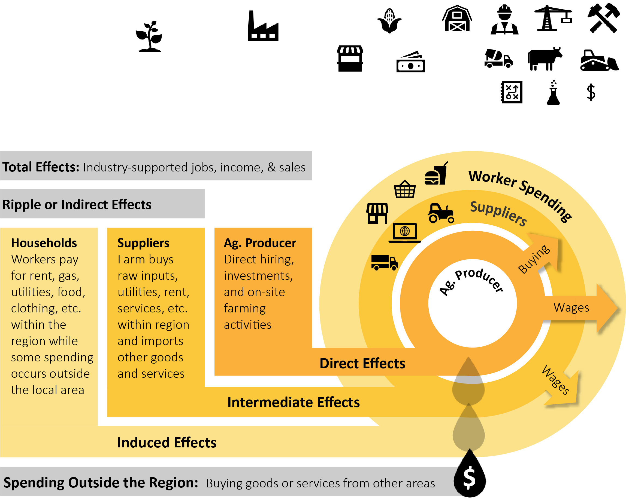
Indirect Effect | 1,098 | $90,121,379 | $169,079,806 | $340,437,595 | Federal Taxes | $217,332,117
Induced Effect | 3,259 | $202,318,521 | $378,876,973 | $608,713,484 | Total Taxes | $328,823,177
Total Effect | 20,163 | $1,003,090,616 | $1,954,859,791 | $3,804,850,004

Food and Beverage Manufacturing Economic Contribution
Impact Type | Employment | Labor Income | GDP | Gross Sales | Taxes | Amount
Direct Effect | 15,801 | $1,807,348,418 | $3,845,353,578 | $11,155,898,275 | State and Local | $364,768,057
Indirect Effect | 5,801 | $559,262,593 | $873,640,785 | $1,558,729,314 | Federal Taxes | $700,439,681
Induced Effect | 9,418 | $585,523,105 | $1,097,236,794 | $1,763,915,418 | Total Taxes | $1,065,207,738
Total Effect | 31,020 | $2,952,134,116 | $5,816,231,158 | $14,478,543,007

Fiber and Forestry Manufacturing Economic Contribution
Impact Type | Employment | Labor Income | GDP | Gross Sales | Taxes | Amount
Direct Effect | 6,027 | $553,254,418 | $818,343,649 | $2,460,020,258 | State and Local | $98,603,050
Indirect Effect | 1,968 | $176,544,116 | $301,219,812 | $546,210,620 | Federal Taxes | $202,315,729
Induced Effect | 2,965 | $184,289,075 | $345,320,484 | $555,094,103 | Total Taxes | $300,918,779
Total Effect | 10,959 | $914,087,609 | $1,464,883,945 | $3,561,324,981

Agriculture-Related Inputs and Services Economic Contribution
Impact Type | Employment | Labor Income | GDP | Gross Sales | Taxes | Amount
Direct Effect | 55,572 | $4,832,231,479 | $9,163,767,602 | $19,816,502,553 | State and Local | $1,118,245,563
Indirect Effect | 29,392 | $2,375,102,079 | $3,942,410,832 | $6,972,935,995 | Federal Taxes | $2,088,315,980
Induced Effect | 28,982 | $1,801,652,610 | $3,376,084,784 | $5,427,226,496 | Total Taxes | $3,206,561,542
Total Effect | 113,946 | $9,008,986,167 | $16,482,263,217 | $32,216,665,044

Indirect/Induced Industry Details
Impact Type | Employment | Labor Income | GDP | Gross Sales
...

Detailed Ag Census Data
Table of Contents
 | Within 500 Miles of St. Louis MSA
...
 | Key Statistics | Within 500 Miles | U.S. | % U.S.
 | Total Farms | 910,371 | 1,900,487 | 48%
 | Total Producers | 1,593,117 | 3,374,044 | 47%
 | Total Commodity Sales | $249,955,992,000 | $543,087,166,000 | 46%
...
31%
69%
...

Detailed County Census Data
Table of Contents
...
 |  | Illinois Top Ten Agricultural Production Rankings
 |  | Farm Figures | State Rank | Commodities | State Rank
 |  | Total Farms | 5 | Soybean Sales | 1
 |  | Total Producers | 6 | Corn Sales | 2
 |  | Farm Land/Bldg. Value | 4 | Pig Sales | 4
 |  |  |  | Cattle Sales | 20
 |  | Total Commodity Sales | 6 | Poultry Sales | 28

Illinois
Bond County, IL | Calhoun County, IL | Clinton County, IL | Jersey County, IL | Macoupin County, IL | Madison County, IL | Monroe County, IL | St. Clair County, IL
622 | 462 | 869 | 460 | 1,235 | 962 | 533 | 743
...

